Calculations
Nozzle | Nozzle diameter(mm) | Nozzle cross section (mm2) | Pressure (PSI) | duration (s) | altitude (m) | top speed (m/s) | Thrust time (s) | Peak acceleration (m/s2) | Average Acceleration (m/s2) | Coast to Apogee (s) | Lift to Apogee time | S at end of trust (m) | V at end of trust (m/s) | Potential Energy at end of trust (J) | Kinectic energy at end of trust (J) | Total energy at end of trust (J) | Loss due Air Drag during trust/k | Energy lost due Air Drag during trust (J) Using average k | t at apogee (s) | Potential Energy at apoggee (J) | Energy lost due Air Drag during coast (J) | Energy Loss due Air Drag during Coast/k | Total loss due to AirDrag/k | k calculated during coast (*1E4) | Total Energy loss due to AirDrag (J) | Total Energy-Loss Nozzle (J) Calculated from end of trust | Total Energy-Loss Nozzle (J) Calculated in Apoggee
Dark blue | 10.0 | 78.54 | 10 | 4.4 | 14.32 | 14.75 | 0.61 | 43.12 | 24.5 | 2.0 | 2.61 | 4.56 | 14.95 | 4.02 | 10.05 | 14.08 | 509.0 | 0.69 | 2.13 | 12.65 | 1.43 | 131.6 | 640.7 | 108.47 | 0.87 | 14.77 | 14.08
Dark blue | 10.0 | 78.54 | 22 | 5.6 | 19.81 | 23.69 | 0.64 | 99.96 | 37.2 | 2.0 | 2.64 | 7.63 | 23.83 | 6.73 | 25.56 | 32.30 | 2166.2 | 2.96 | 3.07 | 17.49 | 14.80 | 2380.8 | 4547.0 | 62.18 | 6.21 | 35.25 | 32.30
Dark blue | 10.0 | 78.54 | 30 | 9.0 | 29.56 | 29.50 | 0.52 | 86.24 | 57.8 | 2.3 | 2.82 | 7.82 | 30.07 | 6.90 | 40.68 | 47.58 | 3533.4 | 4.82 | 3.58 | 26.10 | 21.48 | 9882.2 | 13415.6 | 21.74 | 18.31 | 52.40 | 47.58
Dark blue | 10.0 | 78.54 | 40 | 10.7 | 35.36 | 31.74 | 0.47 | 94.08 | 67.6 | 2.4 | 2.87 | 7.47 | 31.78 | 6.59 | 45.45 | 52.05 | 3771.9 | 5.15 | 3.71 | 31.21 | 20.83 | 13877.6 | 17649.5 | 15.01 | 24.09 | 57.19 | 52.05
Dark blue | 10.0 | 78.54 | 40 | 6.6 | 35.05 | 33.53 | 0.5 | 89.18 | 67.6 | 2.3 | 2.80 | 8.45 | 33.81 | 7.46 | 51.44 | 58.90 | 4831.1 | 6.59 | 3.95 | 30.95 | 27.96 | 17774.7 | 22605.8 | 15.73 | 30.85 | 65.50 | 58.90
Dark blue | 10.0 | 78.54 | 42 | 7.3 | 35.96 | 33.97 | 0.48 | 103.88 | 71.5 | 2.2 | 2.68 | 8.24 | 34.34 | 7.28 | 53.06 | 60.34 | 4859.1 | 6.63 | 3.98 | 31.75 | 28.59 | 19631.1 | 24490.1 | 14.56 | 33.42 | 66.97 | 60.34
Dark blue | 10.0 | 78.54 | 50 | 7.7 | 42.97 | 38.00 | 0.49 | 104.86 | 77.4 | 2.5 | 2.99 | 9.29 | 37.94 | 8.21 | 64.76 | 72.97 | 6687.8 | 9.13 | 4.36 | 37.94 | 35.02 | 30683.6 | 37371.4 | 11.41 | 51.00 | 82.09 | 72.97

 |  |  |  |  |  |  |  |  |  |  |  |  |  |  |  |  |  |  |  |  |  |  | Medium K*1E4 | 13.65

 | k calculated during coast (*1E4)
10 | 108.4722
22 | 62.18104
30 | 21.7352
40 | 15.01099
40 | 15.72854
42 | 14.56176
50 | 11.41462
 | Total Energy-Loss Nozzle (J) Calculated in Apoggee
14.77 | 14.08
35.25 | 32.30
52.40 | 47.58
57.19 | 52.05
65.50 | 58.90
66.97 | 60.34
82.09 | 72.97
 | k calculated during coast (*1E4)
14.7519 | 108.4722
23.69245 | 62.18104
29.5038 | 21.7352
31.73894 | 15.01099
33.52705 | 15.72854
33.97407 | 14.56176
37.99732 | 11.41462

References
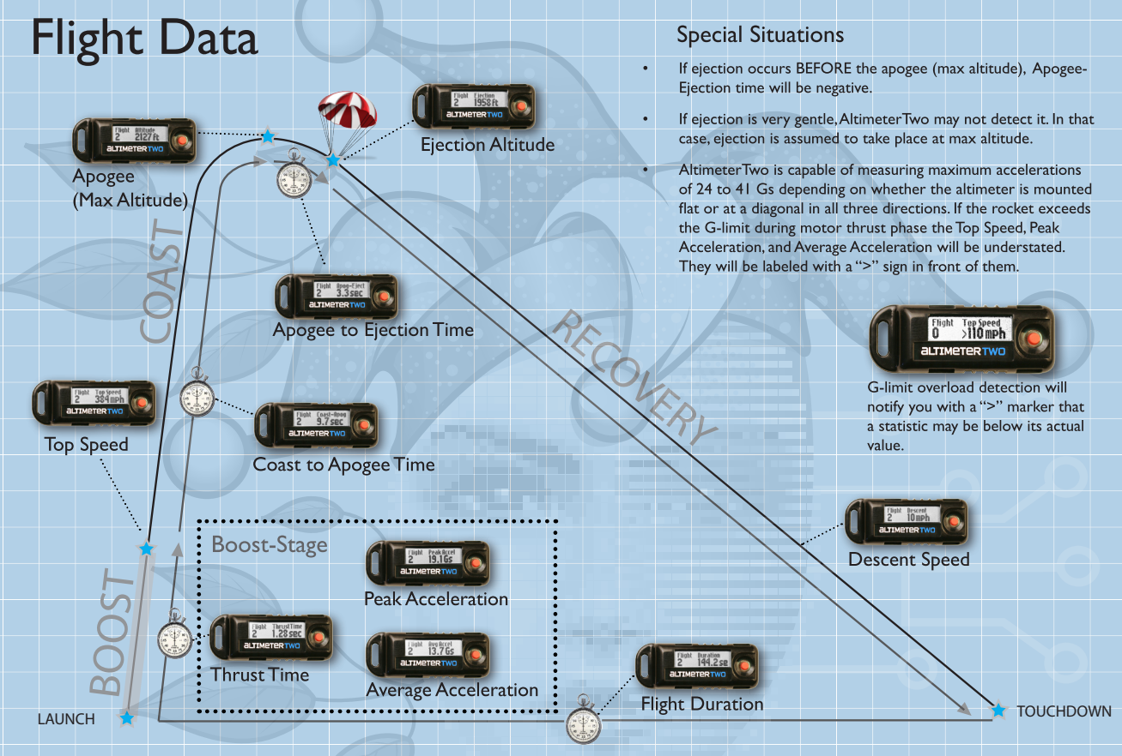

Nozzle Analysis
Nozzle cross section (mm2) | Pressure (PSI) | Parachute openned during ascension | Vertical acceleration | Launch quality | duration (s) | altitude (ft) | top speed (miles/hour) | Thrust time | Peak acceleration (G) | Average acceleration (G) | Coast to Apogee (s)
113.10 | 40 | no | yes | good | 7.4 | 97 | 75 | 0.39 | 12.7 | 8.8 | 1.9
113.10 | 40 | no | yes | good | 8.2 | 110 | 78 | 0.36 | 13.2 | 9.9 | 2.2
113.10 | 40 | no | yes | good | 5.7 | 106 | 79 | 0.35 | 12.8 | 10.4 | 2.2
153.94 | 40 | no | yes | good | 6.4 | 124 | 83 | 0.25 | 19.6 | 15.4 | 2.7
153.94 | 40 | no | yes | good | 6.6 | 109 | 79 | 0.24 | 18.8 | 15.4 | 2.6
50.27 | 40 | no | yes | good | 7.1 | 91 | 59 | 0.70 | 7.8 | 3.9 | 2.0
50.27 | 40 | no | yes | good | 5.2 | 78 | 59 | 0.65 | 8.1 | 4.1 | 1.7
167.42 | 40 | no | yes | good | 6.6 | 131 | 79 | 0.21 | 21.6 | 17.0 | 2.6
78.54 | 40 | no | yes | good | 10.7 | 116 | 71 | 0.47 | 9.6 | 6.9 | 2.4
78.54 | 40 | no | yes | good | 6.6 | 115 | 75 | 0.5 | 9.1 | 6.9 | 2.3
63.62 | 40 | no | yes | medium | 4.9 | 75 | 68 | 0.59 | 7.2 | 5.3 | 1.8
63.62 | 40 | no | yes | good | 5.7 | 61 | 56 | 0.66 | 6.5 | 4.5 | 1.6
63.62 | 40 | no | yes | good | 5.1 | 67 | 74 | 0.62 | 10.2 | 5.5 | 1.7
95.03 | 40 | no | yes | good | 7.3 | 102 | 71 | 0.38 | 10.7 | 8.5 | 2.3
95.03 | 40 | no | yes | good | 6.2 | 106 | 70 | 0.38 | 11.0 | 8.4 | 2.5
132.73 | 40 | no | yes | good | 6.4 | 106 | 81 | 0.26 | 17.6 | 14.4 | 2.4
132.73 | 40 | no | yes | good | 6.1 | 102 | 82 | 0.28 | 16.1 | 13.5 | 2.7
167.42 | 40 | no | yes | good | 10.1 | 121 | 75 | 0.21 | 21.1 | 16.5 | 2.6
153.94 | 40 | no | yes | good | 7.2 | 111 | 79 | 0.23 | 19.8 | 15.6 | 2.3
50.27 | 40 | no | yes | good | 2.9 | 49 | 68 | 0.72 | 7.6 | 4.1 | 0.1
167.42 | 40 | no | yes | good | 8.2 | 129 | 77 | 0.21 | 20.9 | 16.6 | 2.9

launch pressure = 40PSI, vertical only acceleration, launch quality = good or medium

Thrust time vs Nozzle cross section at 40 psi launch pressure and 1/3 water filling
 | Thrust time
113.09734 | 0.39
113.09734 | 0.36
113.09734 | 0.35
153.93804 | 0.25
153.93804 | 0.24
50.26548 | 0.7
50.26548 | 0.65
167.41547 | 0.21
78.53982 | 0.47
78.53982 | 0.5
63.61725 | 0.59
63.61725 | 0.66
63.61725 | 0.62
95.03318 | 0.38
95.03318 | 0.38
132.73229 | 0.26
132.73229 | 0.28
167.41547 | 0.21
153.93804 | 0.23
50.26548 | 0.72
167.41547 | 0.21
Peak acceleration vs Nozzle cross section at 40 psi launch pressure and 1/3 water
 | Peak acceleration (G)
113.09734 | 13
113.09734 | 13
113.09734 | 13
153.93804 | 20
153.93804 | 19
50.26548 | 08
50.26548 | 08
167.41547 | 22
78.53982 | 10
78.53982 | 09
63.61725 | 07
63.61725 | 07
63.61725 | 10
95.03318 | 11
95.03318 | 11
132.73229 | 18
132.73229 | 16
167.41547 | 21
153.93804 | 20
50.26548 | 08
167.41547 | 21

Avg acceleration vs Nozzle cross section at 40 psi launch pressure and 1/3 water
 | Average acceleration (G)
113.09734 | 09
113.09734 | 10
113.09734 | 10
153.93804 | 15
153.93804 | 15
50.26548 | 04
50.26548 | 04
167.41547 | 17
78.53982 | 07
78.53982 | 07
63.61725 | 05
63.61725 | 05
63.61725 | 06
95.03318 | 09
95.03318 | 08
132.73229 | 14
132.73229 | 14
167.41547 | 17
153.93804 | 16
50.26548 | 04
167.41547 | 17
Top Speed vs Nozzle cross section at 40 psi launch pressure and 1/3 water
 | top speed (miles/hour)
113.09734 | 75
113.09734 | 78
113.09734 | 79
153.93804 | 83
153.93804 | 79
50.26548 | 59
50.26548 | 59
167.41547 | 79
78.53982 | 71
78.53982 | 75
63.61725 | 68
63.61725 | 56
63.61725 | 74
95.03318 | 71
95.03318 | 70
132.73229 | 81
132.73229 | 82
167.41547 | 75
153.93804 | 79
50.26548 | 68
167.41547 | 77

Coast to Apogee vs Nozzle cross section at 40 psi launch pressure and 1/3 water
 | Coast to Apogee (s)
113.09734 | 02
113.09734 | 02
113.09734 | 02
153.93804 | 03
153.93804 | 03
50.26548 | 02
50.26548 | 02
167.41547 | 03
78.53982 | 02
78.53982 | 02
63.61725 | 02
63.61725 | 02
63.61725 | 02
95.03318 | 02
95.03318 | 03
132.73229 | 02
132.73229 | 03
167.41547 | 03
153.93804 | 02
50.26548 | 00
167.41547 | 03
Altitude to Apogee vs Nozzle cross section at 40 psi launch pressure and 1/3 water
 | altitude (ft)
113.09734 | 97
113.09734 | 110
113.09734 | 106
153.93804 | 124
153.93804 | 109
50.26548 | 91
50.26548 | 78
167.41547 | 131
78.53982 | 116
78.53982 | 115
63.61725 | 75
63.61725 | 61
63.61725 | 67
95.03318 | 102
95.03318 | 106
132.73229 | 106
132.73229 | 102
167.41547 | 121
153.93804 | 111
50.26548 | 49
167.41547 | 129

Pressure Analysis 78mm2
Nozzle cross section (mm2) | Pressure (PSI) | Parachute openned during ascension | Vertical acceleration | Launch quality | duration (s) | altitude (ft) | top speed (miles/hour) | Thrust time | Peak acceleration (G) | Average acceleration (G) | Coast to Apogee (s)
78.54 | 42 | no | yes | good | 7.3 | 118 | 76 | 0.48 | 10.6 | 7.3 | 2.2
78.54 | 40 | no | yes | good | 10.7 | 116 | 71 | 0.47 | 9.6 | 6.9 | 2.4
78.54 | 40 | no | yes | good | 6.6 | 115 | 75 | 0.5 | 9.1 | 6.9 | 2.3
78.54 | 10 | no | yes | good | 4.4 | 47 | 33 | 0.61 | 4.4 | 2.5 | 2.0
78.54 | 22 | no | yes | good | 5.6 | 65 | 53 | 0.64 | 10.2 | 3.8 | 2.0
78.54 | 30 | no | yes | good | 9.0 | 97 | 66 | 0.52 | 8.8 | 5.9 | 2.3
78.54 | 50 | no | yes | good | 7.7 | 141 | 85 | 0.49 | 10.7 | 7.9 | 2.5
78.54 | 60 | no | yes | medium | 5.8 | 116 | 91 | 0.46 | 12.9 | 9.2 | 2.4

Nozzle cross section = 154mm2, vertical only acceleration, launch quality = good or medium)

 | top speed (miles/hour)
42 | 76
40 | 71
40 | 75
10 | 33
22 | 53
30 | 66
50 | 85
60 | 91
Peak acceleration vs Pressure (nozzle = 78.52mm2)
 | Pressure (PSI)
42 | 10.6
40 | 9.6
40 | 9.1
10 | 4.4
22 | 10.2
30 | 8.8
50 | 10.7
60 | 12.9
Average acceleration vs Pressure (nozzle = 78.52mm2)
 | Pressure (PSI)
42 | 7.3
40 | 6.9
40 | 6.9
10 | 2.5
22 | 3.8
30 | 5.9
50 | 7.9
60 | 9.2

Altitude vs Pressure (nozzle = 78.52mm2)
 | Pressure (PSI)
42 | 118
40 | 116
40 | 115
10 | 47
22 | 65
30 | 97
50 | 141
60 | 116

Coast to Apogee vs Pressure (nozzle = 78.52mm2)
 | Pressure (PSI)
42 | 2.2
40 | 2.4
40 | 2.3
10 | 2
22 | 2
30 | 2.3
50 | 2.5
60 | 2.4

Pressure Analysis 154mm2
Nozzle cross section (mm2) | Pressure (PSI) | Parachute openned during ascension | Vertical acceleration | Launch quality | duration (s) | altitude (ft) | top speed (miles/hour) | Thrust time | Peak acceleration (G) | Average acceleration (G) | Coast to Apogee (s)
153.94 | 40 | no | yes | good | 6.4 | 124 | 83 | 0.25 | 19.6 | 15.4 | 2.7
153.94 | 40 | no | yes | good | 6.6 | 109 | 79 | 0.24 | 18.8 | 15.4 | 2.6
153.94 | 40 | no | yes | good | 7.2 | 111 | 79 | 0.23 | 19.8 | 15.6 | 2.3
153.94 | 10 | no | yes | good | 4.3 | 30 | 30 | 0.36 | 4.4 | 3.8 | 1.1
153.94 | 20 | no | yes | good | 5.1 | 61 | 54 | 0.3 | 11 | 8.3 | 1.7
153.94 | 30 | no | yes | good | 6.0 | 91 | 68 | 0.25 | 15.3 | 12.4 | 2.3
153.94 | 50 | no | yes | good | 6.5 | 123 | 92 | 0.24 | 21.2 | 17.8 | 2.5
153.94 | 80 | no | yes | good | 7.3 | 138 | 114 | 0.29 | 23.7 | 17.9 | 2.6

Nozzle cross section = 154mm2, vertical only acceleration, launch quality = good or medium)

 | top speed (miles/hour)
40 | 83
40 | 79
40 | 79
10 | 30
20 | 54
30 | 68
50 | 92
80 | 114
Peak acceleration vs Pressure (nozzle = 154mm2)
 | Pressure (PSI)
40 | 19.6
40 | 18.8
40 | 19.8
10 | 4.4
20 | 11
30 | 15.3
50 | 21.2
80 | 23.7
Average acceleration vs Pressure (nozzle = 154mm2)
 | Pressure (PSI)
40 | 15
40 | 15
40 | 16
10 | 04
20 | 08
30 | 12
50 | 18
80 | 18

Altitude vs Pressure (nozzle = 154mm2)
 | Pressure (PSI)
40 | 124
40 | 109
40 | 111
10 | 30
20 | 61
30 | 91
50 | 123
80 | 138

Coast to Apogee vs Pressure (nozzle = 154mm2)
 | Pressure (PSI)
40 | 03
40 | 03
40 | 02
10 | 01
20 | 02
30 | 02
50 | 03
80 | 03

